進捗登録
進捗登録
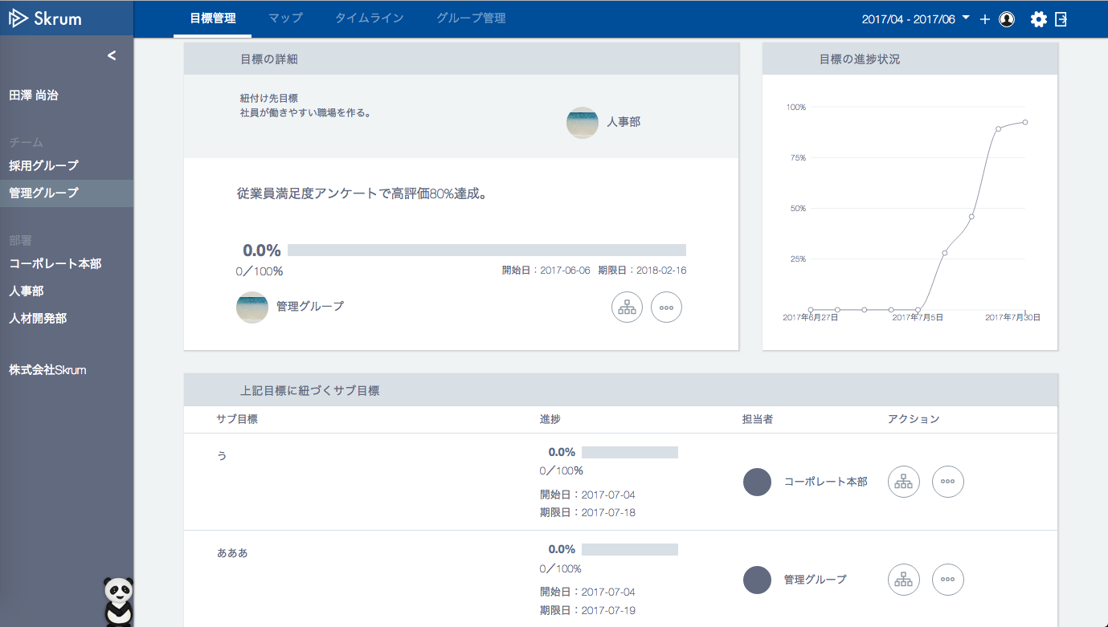

Show this icon only when there's no key results ("サブ目標").

Do not show the icon when "okrType" is "1"(objective).
checkin.png

Show the icon when "okrType" is "2"(key results).

unit

34
%
100
Default "achievedValue"(34) and "targetValue"(100) are already set when this popup gets open.

Use API AE0403 in throwing API.
ex.)
v1/okrs/{okrId}/achievements.json
METHOD: POST
Request Json Schema
{
"achievedValue": 34,
"targetValue": 100,
"post": "34万円達成しました！"
}
"post" is not always required.
コメント（任意）
34万円達成しました！

Validation error message is shown around here with red characters.
登録

"targetValue"
non-activation
Ver.
Show this popup window when you click the above icon.

"targetValue"
activation
Ver.

34
%
100

コメント（任意）
34万円達成しました！

Validation error message is shown around here with red characters.
登録

